Fuhrman data
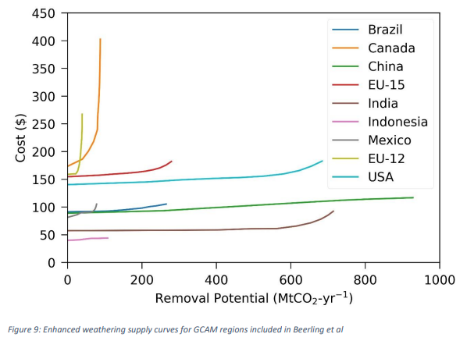
 | Mexico
MX representative cost per ton | 90
2020 cost adder (declines to 0 by 2050 in Fuhrman et al), Supplementary Table 3 | 138
Total potential | 90
Best estimate, electrical energy inputs (GJ/tCO2), Supplemental Table 4 | 0.66

